Metadata in DataBank
How will metadata be presented in DataBank?

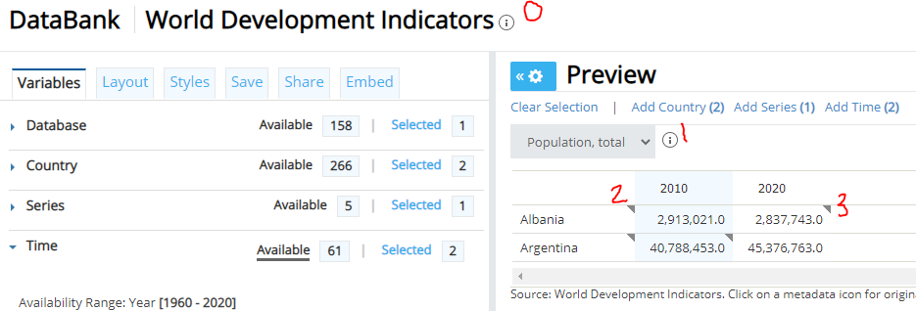

0. Description of the database
 | This dataset is classified as Public under the Access to Information Classification Policy. Users inside and outside the Bank can access this dataset World Development Indicators (WDI) is the primary World Bank collection of development indicators, compiled from officially recognized international sources. It presents the most current and accurate global development data available, and includes national, regional and global estimates. [Note: Even though Global Development Finance (GDF) is no longer listed in the WDI database name, all external debt and financial flows data continue to be included in WDI. The GDF publication has been renamed International Debt Statistics (IDS), and has its own separate database, as well.

1. Series metadata (Series_Table sheet)

2. Country metadata (Country_Table sheet): All databases use the default country table. Which information to show is the database owner's call.

3. Observation level metadata (Country-Series-Time sheet)

